Clash Report
RFI No | Test Name | Group Name | Clash Details | Item 1 | Item 2 | Item 2 Name | Clash Image | User Images | Comments
1 | R40 Storm | None | Clash Group: R40 Storm Between: LV1_4x160-0116 and Pipe915 (56) Clash64 Distance: -0.174m Clash Point: 114110.269m, 128815.035m, 29.574m | Item Name: LV1_4x160-0116 Item Type: Pipe | Item Name: Pipe915 (56) Item Type: Pipe | Pipe915 (56) | 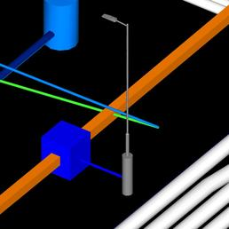 | (user images)
2 | R40 Storm | None | Clash Group: R40 Storm Between: LV1_4x160-282 and Pipe915 (61) Clash65 Distance: -0.159m Clash Point: 114113.820m, 128794.241m, 29.550m | Item Name: LV1_4x160-282 Item Type: Pipe | Item Name: Pipe915 (61) Item Type: Pipe | Pipe915 (61) | 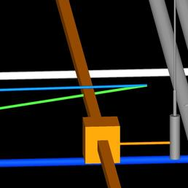 | (user images)
3 | R40 Storm | None | Clash Group: R40 Storm Between: Pipe1087 (53) and Pipe915 (163) Clash66 Distance: -0.134m Clash Point: 114010.619m, 128720.988m, 29.278m | Item Name: Pipe1087 (53) Item Type: Pipe | Item Name: Pipe915 (163) Item Type: Pipe | Pipe915 (163) | 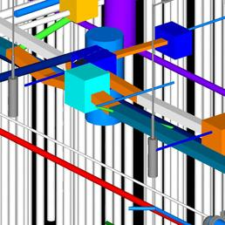 | (user images)
4 | R40 Storm | None | Clash Group: R40 Storm Between: Pipe1087 (53) and Pipe915 (81) Clash67 Distance: -0.113m Clash Point: 114004.958m, 128751.474m, 29.002m | Item Name: Pipe1087 (53) Item Type: Pipe | Item Name: Pipe915 (81) Item Type: Pipe | Pipe915 (81) | 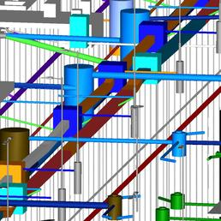 | (user images)
5 | R40 Storm | None | Clash Group: R40 Storm Between: LV1_4x160-055 and Pipe915 (65) Clash68 Distance: -0.107m Clash Point: 114119.701m, 128757.312m, 29.370m | Item Name: LV1_4x160-055 Item Type: Pipe | Item Name: Pipe915 (65) Item Type: Pipe | Pipe915 (65) | 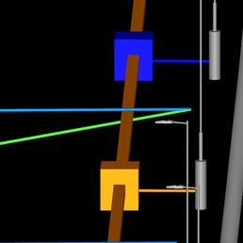 | (user images)
6 | R40 Storm | None | Clash Group: R40 Storm Between: LV1_4x160-034 and Pipe915 (71) Clash69 Distance: -0.104m Clash Point: 114124.105m, 128734.019m, 29.366m | Item Name: LV1_4x160-034 Item Type: Pipe | Item Name: Pipe915 (71) Item Type: Pipe | Pipe915 (71) | 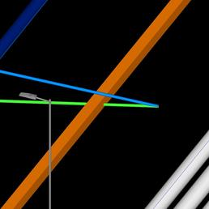 | (user images)
7 | R40 Storm | None | Clash Group: R40 Storm Between: Pipe1087 (53) and Pipe915 (79) Clash70 Distance: -0.102m Clash Point: 114032.923m, 128711.200m, 29.364m | Item Name: Pipe1087 (53) Item Type: Pipe | Item Name: Pipe915 (79) Item Type: Pipe | Pipe915 (79) | 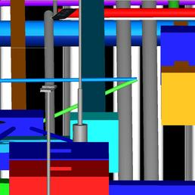 | (user images)
8 | R40 Storm | None | Clash Group: R40 Storm Between: Pipe1087 (53) and Pipe915 (82) Clash71 Distance: -0.099m Clash Point: 114000.352m, 128781.106m, 29.271m | Item Name: Pipe1087 (53) Item Type: Pipe | Item Name: Pipe915 (82) Item Type: Pipe | Pipe915 (82) | 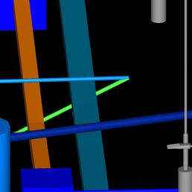 | (user images)
9 | R40 Storm | None | Clash Group: R40 Storm Between: Pipe1087 (53) and Pipe915 (83) Clash72 Distance: -0.072m Clash Point: 113994.465m, 128811.538m, 29.079m | Item Name: Pipe1087 (53) Item Type: Pipe | Item Name: Pipe915 (83) Item Type: Pipe | Pipe915 (83) | 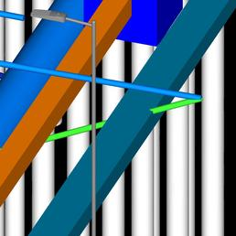 | (user images)
10 | R40 Storm | None | Clash Group: R40 Storm Between: Pipe1087 (53) and Pipe915 (84) Clash73 Distance: -0.058m Clash Point: 113990.646m, 128837.204m, 29.375m | Item Name: Pipe1087 (53) Item Type: Pipe | Item Name: Pipe915 (84) Item Type: Pipe | Pipe915 (84) | 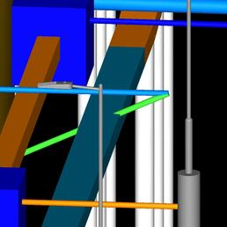 | (user images)
11 | R40 Storm | None | Clash Group: R40 Storm Between: LV1_4x160-010 and Pipe915 (73) Clash74 Distance: -0.049m Clash Point: 114127.540m, 128713.904m, 29.341m | Item Name: LV1_4x160-010 Item Type: Pipe | Item Name: Pipe915 (73) Item Type: Pipe | Pipe915 (73) | 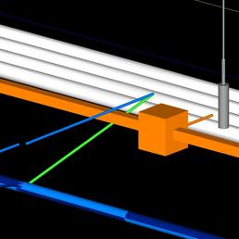 | (user images)
12 | R40 Storm | None | Clash Group: R40 Storm Between: Pipe976 and Pipe256 Clash76 Distance: -0.044m Clash Point: 113996.945m, 128772.648m, 27.900m | Item Name: Pipe976 Item Type: Pipe | Item Name: Pipe256 Item Type: Pipe | Pipe256 | 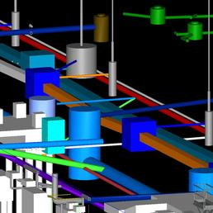 | (user images)
13 | R40 Storm | None | Clash Group: R40 Storm Between: Pipe975 (1) and Pipe255 Clash78 Distance: -0.039m Clash Point: 113992.877m, 128797.115m, 28.025m | Item Name: Pipe975 (1) Item Type: Pipe | Item Name: Pipe255 Item Type: Pipe | Pipe255 | 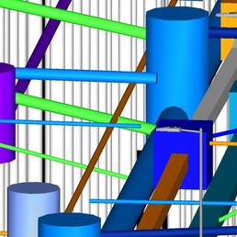 | (user images)
14 | R40 Storm | None | Clash Group: R40 Storm Between: Pipe975 (1) and Pipe254 Clash79 Distance: -0.032m Clash Point: 113991.103m, 128806.684m, 28.132m | Item Name: Pipe975 (1) Item Type: Pipe | Item Name: Pipe254 Item Type: Pipe | Pipe254 | 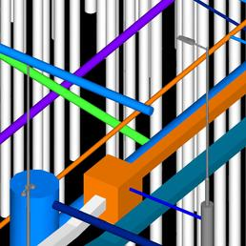 | (user images)
15 | R40 Storm | None | Clash Group: R40 Storm Between: Pipe - (419) and Pipe915 (79) Clash82 Distance: -0.019m Clash Point: 114033.219m, 128709.822m, 28.817m | Item Name: Pipe - (419) Item Type: Pressure Pipe | Item Name: Pipe915 (79) Item Type: Pipe | Pipe915 (79) | 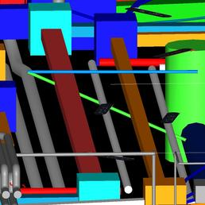 | (user images)
16 | R40 Storm | None | Clash Group: R40 Storm Between: Pipe976 and Pipe280 Clash86 Distance: -0.015m Clash Point: 114000.548m, 128752.270m, 27.655m | Item Name: Pipe976 Item Type: Pipe | Item Name: Pipe280 Item Type: Pipe | Pipe280 | 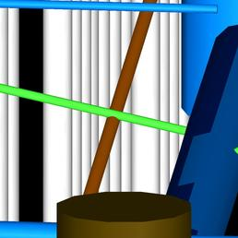 | (user images)
17 | R40 Storm | None | Clash Group: R40 Storm Between: Pipe - (616) and Pipe915 (68) Clash31 Distance: -0.065m Clash Point: 114103.751m, 128709.851m, 28.182m | Item Name: Pipe - (616) Item Type: Pressure Pipe | Item Name: Pipe915 (68) Item Type: Pipe | Pipe915 (68) | 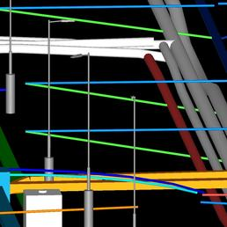 | (user images)
18 | R40 Storm | None | Clash Group: R40 Storm Between: Pipe - (616) and Pipe915 (66) Clash32 Distance: -0.064m Clash Point: 114100.383m, 128729.978m, 28.320m | Item Name: Pipe - (616) Item Type: Pressure Pipe | Item Name: Pipe915 (66) Item Type: Pipe | Pipe915 (66) | 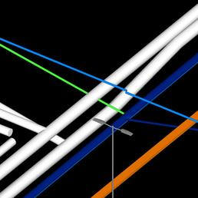 | (user images)
19 | R40 Storm | None | Clash Group: R40 Storm Between: LV1_4x160-002 and Pipe915 (54) Clash33 Distance: -0.052m Clash Point: 114092.736m, 128810.724m, 29.473m | Item Name: LV1_4x160-002 Item Type: Pipe | Item Name: Pipe915 (54) Item Type: Pipe | Pipe915 (54) | 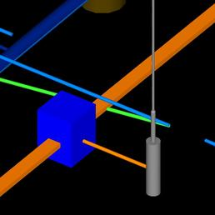 | (user images)
20 | R40 Storm | None | Clash Group: R40 Storm Between: Pipe - (730) and Pipe915 (68) Clash35 Distance: -0.046m Clash Point: 114102.244m, 128709.600m, 28.448m | Item Name: Pipe - (730) Item Type: Pressure Pipe | Item Name: Pipe915 (68) Item Type: Pipe | Pipe915 (68) | 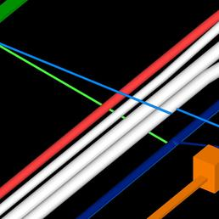 | (user images)
21 | R40 Storm | None | Clash Group: R40 Storm Between: Pipe - (616) and Pipe915 (62) Clash40 Distance: -0.040m Clash Point: 114095.844m, 128753.239m, 28.558m | Item Name: Pipe - (616) Item Type: Pressure Pipe | Item Name: Pipe915 (62) Item Type: Pipe | Pipe915 (62) | 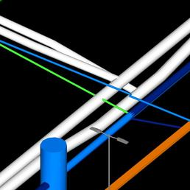 | (user images)
22 | R40 Storm | None | Clash Group: R40 Storm Between: MH984 (4) and Pipe935 (2) Clash42 Distance: -0.037m Clash Point: 113893.178m, 128633.419m, 26.925m | Item Name: MH984 (4) Item Type: Structure | Item Name: Pipe935 (2) Item Type: Pipe | Pipe935 (2) | 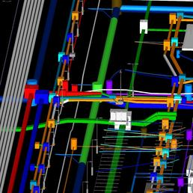 | (user images)
23 | R40 Storm | None | Clash Group: R40 Storm Between: Pipe - (618) and Pipe915 (68) Clash45 Distance: -0.035m Clash Point: 114104.369m, 128709.977m, 28.095m | Item Name: Pipe - (618) Item Type: Pressure Pipe | Item Name: Pipe915 (68) Item Type: Pipe | Pipe915 (68) | 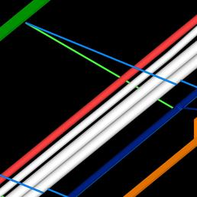 | (user images)
24 | R40 Storm | None | Clash Group: R40 Storm Between: Pipe - (616) and Pipe915 (74) Clash46 Distance: -0.034m Clash Point: 114105.765m, 128697.180m, 28.088m | Item Name: Pipe - (616) Item Type: Pressure Pipe | Item Name: Pipe915 (74) Item Type: Pipe | Pipe915 (74) | 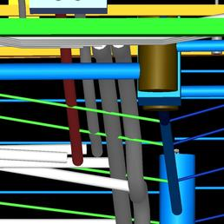 | (user images)
25 | R40 Storm | None | Clash Group: R40 Storm Between: g-LGF-Lighting Columns1 [9439286] and Pipe24 Clash47 Distance: -0.032m Clash Point: 113869.154m, 128687.235m, 28.971m | Item Name: g-LGF-Lighting Columns1 [9439286] Item Type: Geometry | Item Name: Pipe24 Item Type: Pipe | Pipe24 | 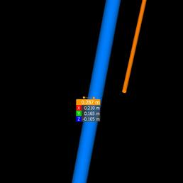 | (user images)
26 | R40 Storm | None | Clash Group: R40 Storm Between: MH986 (785) and Pipe17 Clash49 Distance: -0.027m Clash Point: 113858.945m, 128741.203m, 29.005m | Item Name: MH986 (785) Item Type: Structure | Item Name: Pipe17 Item Type: Pipe | Pipe17 | 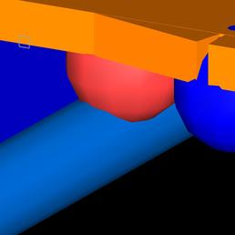 | (user images)
27 | R40 Storm | None | Clash Group: R40 Storm Between: Pipe - (729) and Pipe915 (68) Clash50 Distance: -0.026m Clash Point: 114102.614m, 128709.761m, 28.346m | Item Name: Pipe - (729) Item Type: Pressure Pipe | Item Name: Pipe915 (68) Item Type: Pipe | Pipe915 (68) | 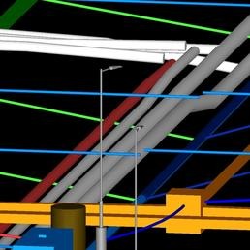 | (user images)
28 | R40 Storm | None | Clash Group: R40 Storm Between: Pipe - (730) and Pipe915 (74) Clash51 Distance: -0.026m Clash Point: 114104.332m, 128696.929m, 28.322m | Item Name: Pipe - (730) Item Type: Pressure Pipe | Item Name: Pipe915 (74) Item Type: Pipe | Pipe915 (74) | 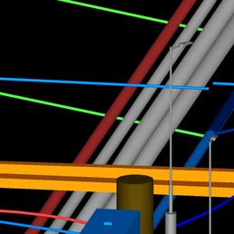 | (user images)
29 | R40 Storm | None | Clash Group: R40 Storm Between: Pipe917 (336) and Pipe915 (244) Clash55 Distance: -0.023m Clash Point: 113828.790m, 128693.144m, 29.777m | Item Name: Pipe917 (336) Item Type: Pipe | Item Name: Pipe915 (244) Item Type: Pipe | Pipe915 (244) | 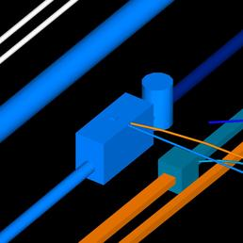 | (user images)

